PO API v2
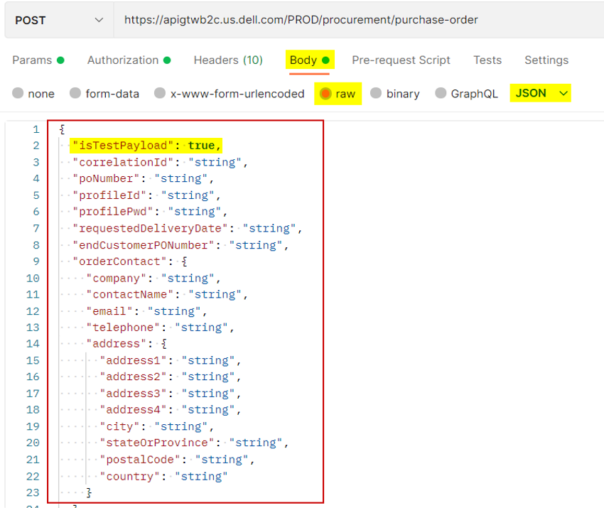
API Connection Details:
API Endpoint (REST API):
PO Submission (JSON): POST https://apigtwb2c.us.dell.com/PROD/procurement/purchase-order
Same URL is used for both test and production, “isTestPayload” field in the payload will be used to determine to which environment the PO will be sent:
For Test: isTestPayload = true
For Production: isTestPayload = false

API Credentials:
Authentication Type: OAuth 2.0
API Key (ClientID): l7e873ab362bfd4d82bfdce76664157358
Secret: 7861c873e9134c83abaf726270b6cac9
Access Token URL: https://apigtwb2c.us.dell.com/auth/oauth/v2/token
Grant Type for Access Token: Client Credentials
ProfileID: DYNTEK_API (please hardcode and use this ProfileId value for all POs submitted electronically)

 | You can find complete documentation and export the Postman collection on our API portal:
 | https://developer.dell.com/apis/9478/versions/2/purchase_order_v2.json

 | I have also included the Postman collection file below:

 | Setup example using Postman:

 | 1) You will need to set up an additional Header parameter with the following data:
 | KEY: Accepts-Version
 | VALUE: 2.0

 | You will also need to select the POST option and use this URL for PO submission:
 | https://apigtwb2c.us.dell.com/PROD/procurement/purchase-order

 | Screenshot below:

 | 2) For the Authorization, you will enter the credentials and token provided as shown below:

 | Auth type: OAuth 2.0
 | Add auth data to: Request Headers
 | Grant type: Client Credentials
 | Access Token URL: https://apigtwb2c.us.dell.com/auth/oauth/v2/token
 | Client ID and Secret
 | Client Authentication: Send client credentials in body

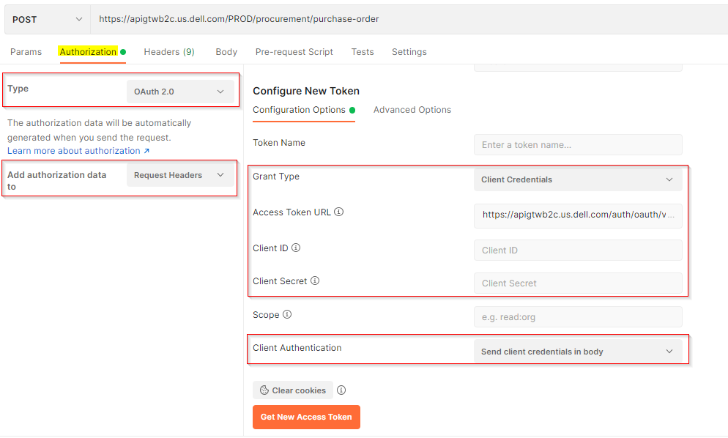

 | 3) Once that is set up, you would just need the actual Purchase Order payload on the body of this request (JSON format):
 | (screenshot below for demonstration purposes, schema shown may have changed)

